Sheet1
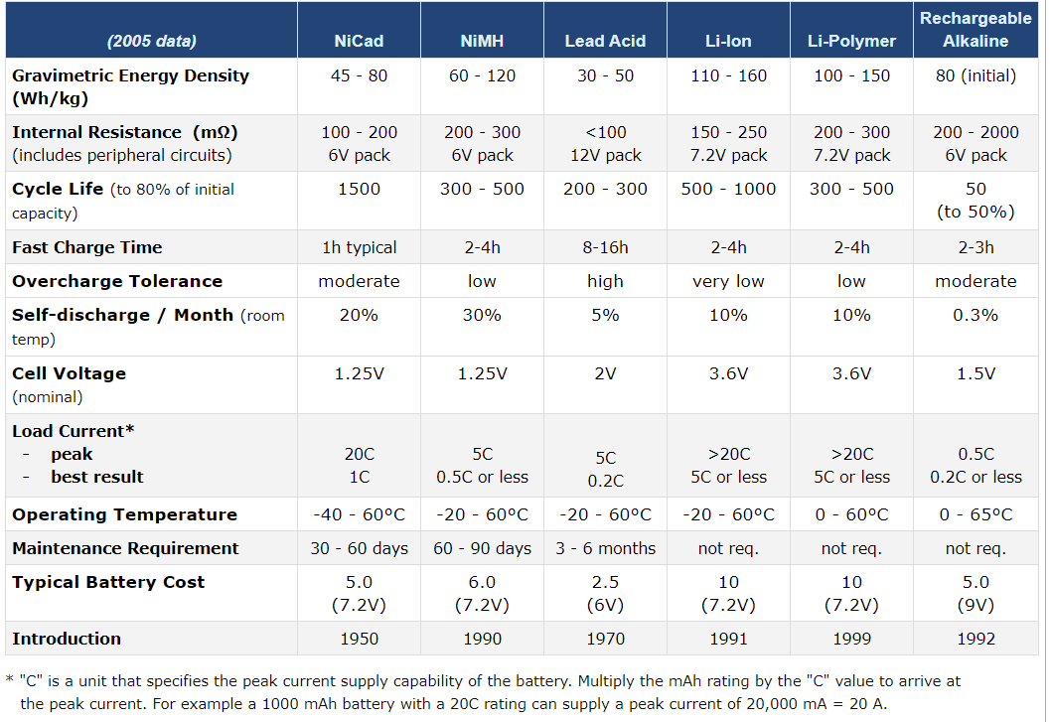
BATTERY | Specific Energy (W-h/Kg) | Energy Density (W-h/Kg) | Specific Power (W/Kg) | Self-Discharge Rate (% per month) | Tolerance | Operating Temperature (Celcius) | Charge/Discharge Efficiency (%) | Cost (per Ah) | Stability/Safety | Nominable Voltage (Volt) | Life Cycle
NiCd | 40 - 60 | 45 - 80 | 150 | 20 | Moderate | -40 to 60 | 70 - 90 | 62.5 | Moderate | 1.25 | 2000
NiMH | 60 - 120 | 60 - 120 | 250 - 1000 | 30 | Low | -20 to 60 | 66 - 92 | 87 | Low | 1.25 | 300 - 500
Lead Acid | 35 - 40 | 30 - 50 | 180 | 5 | High | -20 to 60 | 85 | 100 | Moderate | 2.1 | 200 - 300
Li-Ion | 100 - 250 | 110 - 160 | 250 - 340 | 10 | Very Low | -20 to 60 | 80 - 90 | 35 | Low | 3.6 | 400 - 1200
LiPo | 100 - 265 | 100 - 150 | 245 - 430 | 10 | Low | 0 to 60 | 80 - 90 | 725 | Low | 3.6 | 300 - 500
Duracell AA | 85 - 190 | 80 | ~ | 0.3 | Moderate | 0 - 65 | ~ | 30 | High | 1.5 | 50
LiFePO4 | 90 - 160 | 90 | 200 | 3 | High | -20 to 60 | 80 - 90 | 57 | High | 3.3 | 2000
Super Capacitor | 1 - 30 | 60 | 15000 | 50 | Moderate | -40 to 70 | ~ | 136 per mF | High | 2.7 | 500 - 1000

 |  | WIKIPEDIA STUFF

 |  | Common characteristics[edit]
 |  | Cell chemistry | Also known as | Electrode |  | Re­charge­able | Com­mercial­ized | Voltage |  |  | Energy density |  | Specific power | Cost† | Discharge efficiency | Self-discharge rate | Shelf life
 |  |  |  | Anode | Cathode |  |  | Cutoff | Nominal | 100% SOC | by mass | by volume
 |  |  |  |  |  |  | year | V | V | V | MJ/kg (Wh/kg) | MJ/L (Wh/L) | W/kg | Wh/$ ($/kWh) | % | %/month | years
 |  | Lead-acid | SLA VRLA | Lead | Lead dioxide | Yes | 1881[1] | 1.75[2] | 2.1[2] | 2.23–2.32[2] | 0.11–0.14 (30–40)[2] | 0.22–0.27 (60–75)[2] | 180[2] | 6.48–16.67 (60–154)[2] | 50–92[2] | 3–20[2]
 |  | Zinc-carbon | Carbon-zinc | Zinc | Manganese (IV) oxide | No | 1898[3] | 0.75–0.9[3] | 1.5[3] |  | 0.13 (36)[3] | 0.33 (92)[3] | 10–27[3] | 2.96 (337)[3] | 50–60[3] | 0.32[3] | 3–5[4]
 |  | Zinc-air | PR |  | Oxygen | No | 1932[5] | 0.9[5] | 1.45–1.65[5] |  | 1.59 (442)[5] | 6.02 (1,673)[5] | 100[5] | 2.59 (386)[5] | 60–70[5] | 0.17[5] | 3[5]
 |  | Mercury oxide-zinc | Mercuric oxide Mercury cell |  | Mercuric oxide | No | 1942–[6] 1996[7] | 0.9[8] | 1.35[8] |  | 0.36–0.44 (99–123)[8] | 1.1–1.8 (300–500)[8] |  |  |  |  | 2[6]
 |  | Alkaline | Zn/MnO 2 LR |  | Manganese (IV) oxide | No | 1949[9] | 0.9[10] | 1.5[11] | 1.6[10] | 0.31–0.68 (85–190)[12] | 0.90–1.56 (250–434)[12] | 50[12] | 0.46 (2160)[12] | 45–85[12] | 0.17[12] | 5–10[4]
 |  | Rechargeable alkaline | RAM |  |  | Yes | 1992[13] | 0.9[14] | 1.57[14] | 1.6[14] |  |  |  |  |  | <1[13]
 |  | Silver-oxide | SR |  | Silver oxide | No | 1960[15] | 1.2[16] | 1.55[16] | 1.6[17] | 0.47 (130)[17] | 1.8 (500)[17]
 |  | Nickel-zinc | NiZn |  | Nickel oxide hydroxide | Yes | 2009[13] | 0.9[13] | 1.65[13] | 1.85[13] |  |  |  |  |  | 13[13]
 |  | Nickel-iron | NiFe | Iron |  | Yes | 1901[18] | 0.75[19] | 1.2[19] | 1.65[19] | 0.07–0.09 (19–25)[20] | 0.45 (125)[21] | 100 | 3.94–5.26 (190–254)[1] |  | 20–30 | 30–[22] 50[23][24]
 |  | Nickel-cadmium | NiCd NiCad | Cadmium |  | Yes | c. 1960[25] | 0.9–1.05[26] | 1.2[27] | 1.3[26] | 0.11 (30)[27] | 0.36 (100)[27] | 150–200[28] |  |  | 10[13]
 |  | Nickel-hydrogen | NiH 2 Ni-H 2 | Hydrogen |  | Yes | 1975[29] | 1.0[30] | 1.55[28] |  | 0.16–0.23 (45–65)[28] | 0.22 (60)[31] | 150–200[28] |  |  |  | 5[31]
 |  | Nickel-metal hydride | NiMH Ni-MH | Metal hydride |  | Yes | 1990[1] | 0.9–1.05[26] | 1.2[11] | 1.3[26] | 0.36 (100)[11] | 1.44 (401)[32] | 250–1000 | 3.15 (317)[1] |  | 30[33]
 |  | Low self-discharge nickel-metal hydride | LSD NiMH |  |  | Yes | 2005[34] | 0.9–1.05[26] | 1.2 | 1.3[26] | 0.34 (95)[35] | 1.27 (353)[36] | 250–1000 |  |  | 0.42[33]
 |  | Lithium-manganese dioxide | Lithium Li-MnO 2 CR Li-Mn | Lithium | Manganese dioxide | No | 1976[37] | 2[38] | 3[11] |  | 0.54–1.19 (150–330)[39] | 1.1–2.6 (300–710)[39] | 250–400[39] |  |  | 1 | 5-10[39]
 |  | Lithium-carbon monofluoride | Li-(CF) x BR |  | Carbon monofluoride | No | 1976[37] | 2[40] | 3[40] |  | 0.94–2.81 (260–780)[39] | 1.58–5.32 (440–1,478)[39] | 50–80[39] |  |  | 0.2–0.3[41] | 15[39]
 |  | Lithium-iron disulfide | Li-FeS 2 FR |  | Iron disulfide | No | 1989[42] | 0.9[42] | 1.5[42] | 1.8[42] | 1.07 (297)[42] | 2.1 (580)[43]
 |  | Lithium–titanate | Li 4Ti 5O 12 LTO |  | Lithium manganese oxide or Lithium nickel manganese cobalt oxide | Yes | 2008[44] | 1.6-1.8[45] | 2.3-2.4[45] | 2.8[45] | 0.22–0.40 (60–110) | 0.64 (177) | 3,000-5,100[46] | 0.47 (2131)[46] | 85[46] | 2-5[46] | 10–20[46]
 |  | Lithium cobalt oxide | LiCoO 2 ICR LCO Li‑cobalt[47] | Graphite‡ | Lithium cobalt oxide | Yes | 1991[48] | 2.5[49] | 3.7[50] | 4.2[49] | 0.70 (195)[50] | 2.0 (560)[50] |  | 2.63 (380)[1]
 |  | Lithium iron phosphate | LiFePO 4 IFR LFP Li‑phosphate[47] |  | Lithium iron phosphate | Yes | 1996[51] | 2[49] | 3.2[50] | 3.65[49] | 0.32–0.58 (90–160)[50][52][53] | 1.20 (333)[50][52] | 200 [54]-1'200 [55] |  |  | 4.5
 |  | Lithium manganese oxide | LiMn 2O 4 IMR LMO Li‑manganese[47] |  | Lithium manganese oxide | Yes | 1999[1] | 2.5[56] | 3.9[50] | 4.2[56] | 0.54 (150)[50] | 1.5 (420)[50] |  | 2.63 (380)[1]
 |  | Lithium nickel cobalt aluminium oxides | LiNiCoAlO 2 NCA NCR Li‑aluminium[47] |  | Lithium nickel cobalt aluminium oxide | Yes | 1999 | 3.0[57] | 3.6[50] | 4.3[57] | 0.79 (220)[50] | 2.2 (600)[50]
 |  | Lithium nickel manganese cobalt oxide | LiNi xMn yCo 1-x-yO 2 INR NMC[47] NCM[50] |  | Lithium nickel manganese cobalt oxide | Yes | 2008[58] | 2.5[49] | 3.6[50] | 4.2[49] | 0.74 (205)[50] | 2.1 (580)[50]

 |  | ^† Cost in USD, adjusted for inflation.

 |  | ^‡ Typical. See Lithium-ion battery § Negative electrode for alternative electrode materials.

 |  | Rechargeable characteristics[edit]
 |  | Cell chemistry | Charge efficiency | Cycle durability
 |  |  | % | # 100% depth of discharge (DoD) cycles
 |  | Lead-acid | 50–92[2] | 50 – 100[59] (500@40%DoD[2][59])
 |  | Rechargeable alkaline |  | 5–100[13]
 |  | Nickel-zinc |  | 100 to 50% capacity[13]
 |  | Nickel-iron | 65–80 | 5000
 |  | Nickel-cadmium |  | 500[25]
 |  | Nickel-hydrogen |  | 20000[31]
 |  | Nickel-metal hydride | 66 | 300–800[13]
 |  | Low self-discharge nickel-metal hydride battery |  | 500–1500[13]
 |  | Lithium cobalt oxide | 90 | 500–1000
 |  | Lithium–titanate | 85-90 | 6000–10000 to 90% capacity[46]
 |  | Lithium iron phosphate | 90 | 3000–7000 to 80% capacity
 |  | Lithium manganese oxide | 90 | 300–700
 |  | Thermal runaway[edit]

 |  | Under certain conditions, some battery chemistries are at risk of thermal runaway, leading to cell rupture or combustion. As thermal runaway is determined not only by cell chemistry but also cell size, cell design and charge, only the worst-case values are reflected here.[60]

 |  | Cell chemistry | Overcharge | Overheat
 |  |  | Onset | Onset | Runaway | Peak
 |  |  | SOC% | °C | °C | °C/min
 |  | Lithium cobalt oxide | 150[60] | 165[60] | 190[60] | 440[60]
 |  | Lithium iron phosphate | 100[60] | 220[60] | 240[60] | 21[60]
 |  | Lithium manganese oxide | 110[60] | 210[60] | 240[60] | 100+[60]
 |  | Lithium nickel cobalt aluminium oxide | 125[60] | 140[60] | 195[60] | 260[60]
 |  | Lithium nickel manganese cobalt oxide | 170[60] | 160[60] | 230[60] | 100+[60]
 |  | NiCd vs. NiMH vs. Li-ion vs. Li-polymer vs. LTO[edit]
 |  | Types | Cell Voltage | Self-discharge | Memory | Cycles Times | Temperature | Weight
 |  | NiCd | 1.2V | 20%/month | Yes | Up to 800 | -20℃ To 60℃ | Heavy
 |  | NiMH | 1.2V | 30%/month | Mild | Up to 500 | -20℃ To 70℃ | Middle
 |  | Low Self Discharge NiMH | 1.2V | 1%/month - 3%/year [61] | No | 500 - 2000 | -20℃ To 70℃ | Middle
 |  | Li-ion (LCO) | 3.6V | 5-10%/month | No | 500-1000 | -40℃ To 70℃ | Light
 |  | LiPo (LCO) | 3.7V | 5-10%/month | No | 500-1000 | -40℃ To 80℃ | Lightest
 |  | Li-Ti (LTO) | 2.4V | 2-5%/month[46] | No | 6k-20k | -40℃ To 55℃ | Light

